Sheet1
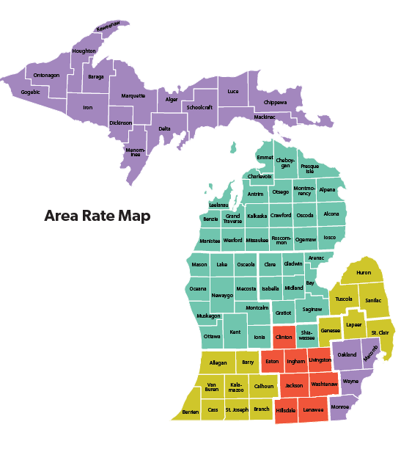
This worksheet is designed to help employers determine the best employer/employee cost share for medical, dental and vision plans. For 2026 employer contribution amounts can be entered as a percent of premium in colum D or a dollar amount in column G. Employee contributions will automatically calculate.
Be sure to pick the correct Rate Area from the drop down menu for your unit.

Rate Area: | 1 | Select Rate Area to Use for BCN-Blue Elect Plus and PPO1 |  |  |  |  |  | (see Rate Map below)

Rate Period: 01/01/2026 – 12/31/2026 |  | AS OF JANUARY 1, 2026

 |  | Employer Cost |  |  |  |  |  |  | Employee Cost Share
 | Monthly Premium | Employer Contribution % | Employer Monthly Cost | or | Insert Dollar Amount of Employer Cost |  | Annual Employer Portion |  | Employee Monthly Contribution | Biweekly (26 pays) | Semi-Monthly (24 pays) | Employee Annual Cost
 |  | ONLY CHOOSE A % OR DOLLAR AMOUNT NOT BOTH PER ROW
BCN Blue Elect Plus
Single | $868.00 |  | $0.00 | or |  |  | $- | $- | $868.00 | $400.62 | $434.00 | $10,416.00
Employee + One (child or LDA) | $1,907.00 |  | $0.00 | or |  |  | $- | $- | $1,907.00 | $880.15 | $953.50 | $22,884.00
Family | $2,254.00 |  | $0.00 | or |  |  | $- | $- | $2,254.00 | $1,040.31 | $1,127.00 | $27,048.00
PPO 1
Single | $1,092.00 |  | $0.00 | or |  |  | $- | $- | $1,092.00 | $504.00 | $546.00 | $13,104.00
Employee + One (child or LDA) | $2,402.00 |  | $0.00 | or |  |  | $- | $- | $2,402.00 | $1,108.62 | $1,201.00 | $28,824.00
Family | $2,839.00 |  | $0.00 | or |  |  | $- | $- | $2,839.00 | $1,310.31 | $1,419.50 | $34,068.00
PPO2 (aka PPO2 HDHP)
Single | $658.00 |  | $0.00 | or |  | $50.00 | $600.00 | $- | $658.00 | $303.69 | $329.00 | $7,896.00
Employee + One (child or LDA) | $1,448.00 |  | $0.00 | or |  | $50.00 | $600.00 | $- | $1,448.00 | $668.31 | $724.00 | $17,376.00
Family | $1,714.00 |  | $0.00 | or |  | $50.00 | $600.00 | $- | $1,714.00 | $791.08 | $857.00 | $20,568.00
PPO HD Plan
Single | $527.00 |  | $0.00 | or |  | $50.00 | $600.00 | $- | $527.00 | $243.23 | $263.50 | $6,324.00
Employee + One (child or LDA) | $1,160.00 |  | $0.00 | or |  | $50.00 | $600.00 | $- | $1,160.00 | $535.38 | $580.00 | $13,920.00
Family | $1,373.00 |  | $0.00 | or |  | $50.00 | $600.00 | $- | $1,373.00 | $633.69 | $686.50 | $16,476.00
Dental Plan
Single | $50.00 |  | $0.00 | or |  |  | $- | $- | $50.00 | $23.08 | $25.00 | $600.00
Employee + One (child or LDA) | $92.50 |  | $0.00 | or |  |  | $- | $- | $92.50 | $42.69 | $46.25 | $1,110.00
Family | $164.00 |  | $0.00 | or |  |  | $- | $- | $164.00 | $75.69 | $82.00 | $1,968.00
Vision Plan
Single | $7.50 |  | $0.00 | or |  |  | $- | $- | $7.50 | $3.46 | $3.75 | $90.00
Employee + One (child or LDA) | $14.00 |  | $0.00 | or |  |  | $- | $- | $14.00 | $6.46 | $7.00 | $168.00
Family | $22.00 |  | $0.00 | or |  |  | $- | $- | $22.00 | $10.15 | $11.00 | $264.00

